1. Title Page
[Project Name]

Project Name: Instacart Grocery Basket Ananlysis
Date: 24/11/2023
Analyst Name: Jayson

Contents:
Population Flow
Consistency checks
Wrangling steps
Column derivations
Visualizations
Recommendations

2. Population Flow
Title page

Population flow

Exclusion flag
Condition: max_order < 5
Obervations to be removed: 14,40,295
Final total count of order_products_all: 3,09,64,564

Orders_products_combined
Orders_products_merged
Orders_products_all

Total: 3,24,04,859
Total: 3,24,34,489
Total: 3,24,04,859

1.) The grey boxes in the first row of the population flow represent the original data sets as they were when you downloaded them. In the Total fields you need to add the count of the rows when you imported the data set into Jupyter.
2.) The second row of boxes (coloured) represents the data sets after you manipulated them, e.g., removed missing values and duplicates. In the Total fields you need to add the count of the rows after conducting these operations. This offers a visual oveview of how the data flows throughout the data consistency checks.
3.) The third row, where also the arrows are coloured, represents the merges you performed between the datasets. In the Total fields you need to add the count of the rows in the merged datasets, so that you end up with the final dataset (in the red box). Keep in mind the final dataset should be without exclusions (based on the exclusion flag).

3. Consistency checks
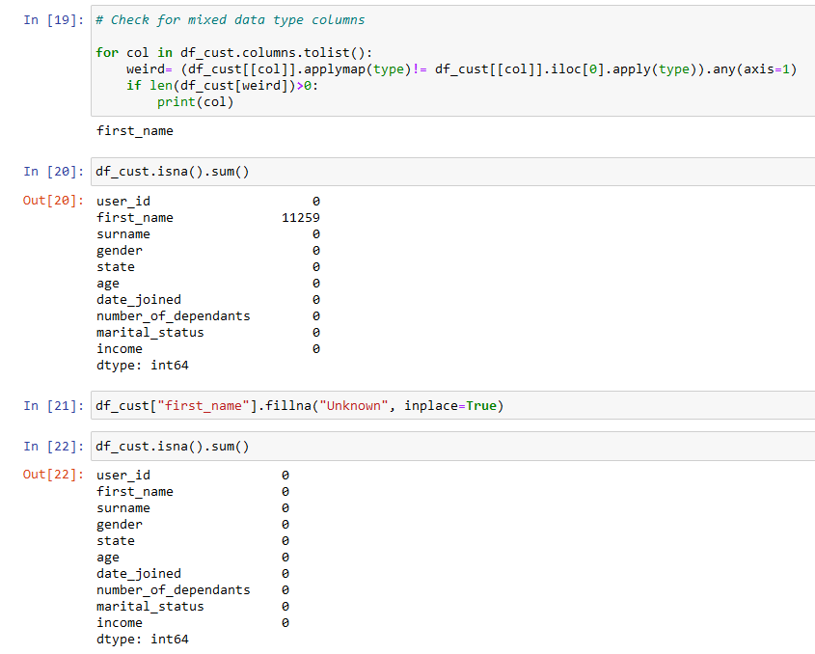
 |  |  |  | Title page
Consistency checks

Dataset | Missing values | Missing values treatment | Duplicates
orders | 2,06,209 values in "days_since_last_order" | These values were not removed because these are genuine first orders | No duplicates found
products | 16 values in 'product_name' column | 16 missing values removed | 5 duplicated rows were removed
orders_products_prior | No missing values found | N/A | No duplicate rows found
customers | 11,259 values in "first_name" | These values were replaced with "Unknown" | No duplicate rows found

Orders

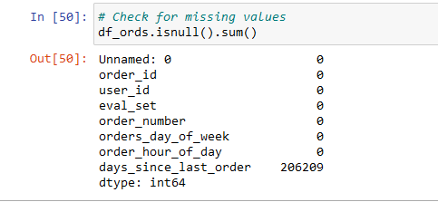

Products

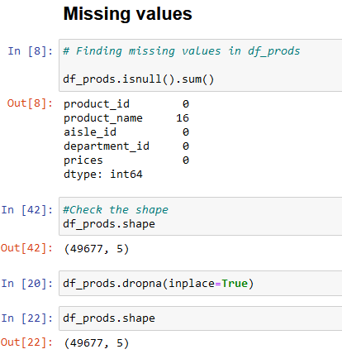
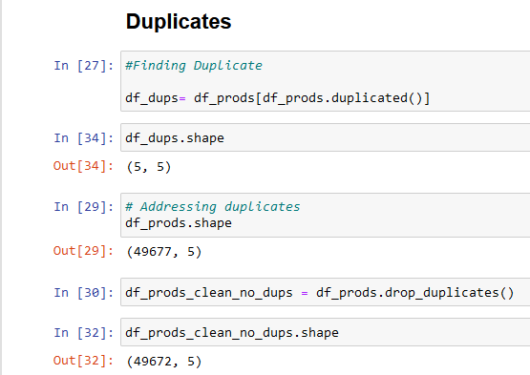

Customer

4. Wrangling steps
 |  |  |  |  | Title page
Wrangling steps

Datasets | Columns dropped | Columns renamed | Columns' type changed | Comment/Reason
Orders | eval_set |  |  | The column didn’t add value to datset. Hence, dropped
 |  | 'order_dow': 'orders_day_of_week' |  | Renamed the column for better understanding
 |  |  | order_id changed from "int" to "str" | ID column, changed data type to exclude the column from descriptive statistics.
 |  |  | user_id changed from "int" to "str" | ID column, changed data type to exclude the column from descriptive statistics.
df_orders_products_combined
 | _merge |  |  | Merge Flag is used to check the result of two dataframe.

Customer |  | First Name : "first_name", "Surnam": "surname", "Gender": "gender", "STATE": "state", "Age": "age", "fam_status": "marital_status", "n_dependants": "number_of_dependants" |  | Renamed columns to keep the consistency in names.

Orders

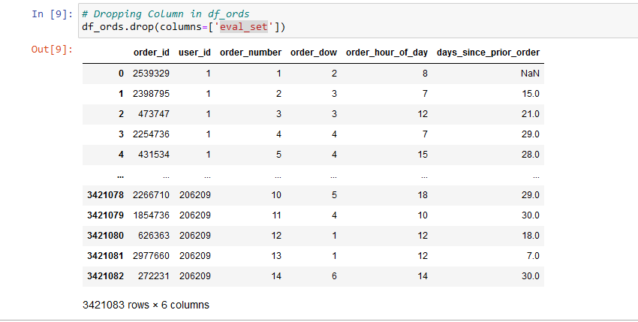

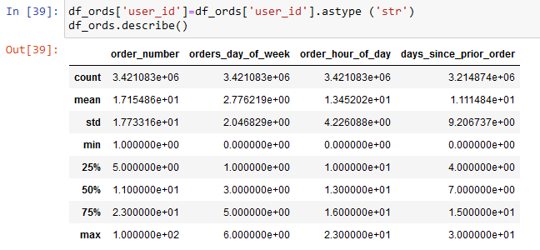

df_orders_products_combined

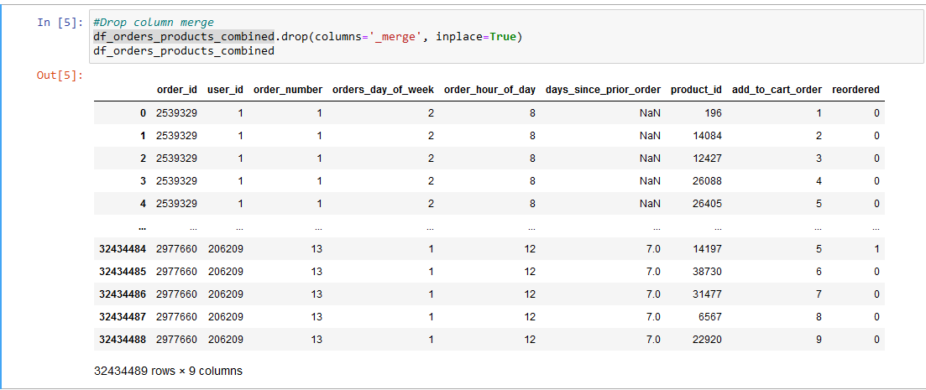

Customers

5. Column derivations
 |  |  |  |  | Title page

Column derivations and aggregations

In this tab you should add tables below that the frequences of flags/label variables that you produced after deriving them. NB: don't do this for continuous variables, only for flags.
Dataset | New column | Column/s it was derived from | Conditions | Frequency table
ords_prods_merged | price_range_loc | prices | if 'prices' <= 5, then 'Low-range product' else if 'prices' > 5 and <= 15, then 'Mid-range product' else 'prices' > 15, then 'High-range product' | Mid-range product 2,18,60,860 Low-range product 1,01,26,321 High-range product 4,17,678

ords_prods_merged | busiest_days | orders_day_of_week | if 'order_day_of_week' = 0 or 1, then 'Busiest days' else if 'order_day_of_week' = 4 or 3, then 'Least days' else 'Regularly busy' | Regularly busy 1,29,16,111 Busiest days 1,18,64,412 Least days 76,24,336

ords_prods_merged | busiest_hours | order_hour_of_day | if 'order_hour_of_day' = [10, 11, 14, 15, 13, 12, 16, 9], then 'Most orders' else if 'order_hour_of_day' = [17, 8, 18, 19, 20, 7, 21, 22], then 'Average orders' else 'Fewest orders' | Most orders 2,11,18,071 Average orders 99,97,651 Fewest orders 12,89,137

ords_prods_merge | max_orders | user_id & order_number | Group data by user_id and find max within 'order_number' column | N/A

ords_prods_merge | loyalty_flag | max_orders | if 'max_order' <= 10, then 'New customer' else if 'max_orders' > 10 and <= 40, then 'Regular customer' else 'max_order' > 40, then 'Loyal customer' | Regular customer 1,58,76,776 Loyal customer 10,28,40,93 New customer 62,43,990

ords_prods_merge | avg_spend | user_id & prices | Group data by user_id and find mean within 'prices' column | N/A

ords_prods_merge | spender_flag | avg_spend | if 'mean_price' < 10, then 'Low spender' else 'mean_price' >= 10, then 'High spender' | Low spender 3,15,16,697 High spender 8,88,162

ords_prods_merge | median_order_frequency | user_id & days_since_prior_order | Group data by user_id and find median within 'days_since_prior_order' column | N/A

ords_prods_merge | median_order_freq_flag | median_order_frequency | if 'median_order_frequency' <= 10, then 'Frequent customer' else if 'median_order_frequency' > 10 and <= 20, then 'Regular customer' else 'median_order_frequency' > 20, then 'Non-frequent customer' | Frequent customer 2,15,90,766 Regular customer 71,87,609 Non-frequent customer 36,26,484

ords_prods_cust_merge | regions | state | if state = ['Maine','New Hampshire','Vermont','Massachusetts','Rhode Island','Connecticut','New York','Pennsylvania','New Jersey'], then 'Northeast' if state = ['Wisconsin','Michigan','Illinois','Indiana','Ohio','North Dakota','South Dakota','Nebraska','Kansas','Minnesota','Iowa','Missouri'], then 'Midwest' if state = ['Idaho','Montana','Wyoming','Nevada','Utah','Colorado','Arizona','New Mexico'], then 'West', else 'South' | South 1,14,29,423 West 82,92,913 Midwest 69,59,787 Northeast 57,22,736

ords_prods_cust_merge | exclusion_flag | max_orders | if 'max_order' < 5, then 'Low activity' else 'max_order' >= 5, then 'Regular activity' | Normal activity 3,09,59,687 Low activity 14,45,172

ords_prods_cust_merge | age_group | age | if 'age' >=18 and <39, then 'Young Adults' if 'age' >=40 and <59, then 'Middle-aged Adults' if 'age' >=60, then 'Senior Adults' | Young Adults 1,06,65,110 Senior Adults 1,05,74,504 Middle-aged Adults 97,24,950

ords_prods_cust_merge | income_group | income | if 'income' <= 67292, then 'Low income' if 'income' > 67292 and <= 150000, then 'Mid income' if 'income' > 150000, then 'High income' | Mid income 1,93,28,682 Low income 77,41,348 High income 38,94,534

df | dependant_group | number_of_dependants | if 'number_of_dependants' == 0, then 'No Dependants' if 'number_of_dependants' > 0, then 'Dependants' | Dependants 2,32,24,883 No dependants 77,39,681

df | family_profile | marital_status, dependant_group, income_group, age_group, gender | if 'family_profile' = ['divorced/widowed', 'single'], then 'Single without dependants' if 'family_profile' = 'living with parents and siblings', then 'Single with dependants if 'family_profile' = 'married', then 'Married with dependants' | Male Young adult single with Dependants and High Income 7,124
 |  |  |  | Female Young adult single with Dependants and High Income 7,846
 |  |  |  | Female Young adult single with No Dependants and High Income 9,988
 |  |  |  | Male Young adult single with No Dependants and High Income 13,635
 |  |  |  | Male Young adult Married with No Dependants and High Income 28,913
 |  |  |  | Female Young adult Married with Dependants and High Income 34,562
 |  |  |  | Female Senior adult single with No Dependants and Low Income 1,58,434
 |  |  |  | Female Middle-aged single with No Dependants and Low Income 1,70,574
 |  |  |  | Male Senior adult single with No Dependants and Low Income 1,72,708
 |  |  |  | Male Middle-aged single with No Dependants and Low Income 1,85,325
 |  |  |  | Male Middle-aged single with No Dependants and High Income 2,21,878
 |  |  |  | Female Middle-aged single with No Dependants and High Income 2,36,625
 |  |  |  | Female Senior adult single with No Dependants and High Income 2,51,899
 |  |  |  | Male Senior adult single with No Dependants and High Income 2,62,448
 |  |  |  | Female Young adult single with Dependants and Low Income 3,23,675
 |  |  |  | Male Young adult single with Dependants and Low Income 3,40,362
 |  |  |  | Female Young adult single with Dependants and Mid Income 3,92,055
 |  |  |  | Male Young adult single with Dependants and Mid Income 4,10,110
 |  |  |  | Female Senior adult Married with Dependants and Low Income 5,01,315
 |  |  |  | Male Senior adult Married with Dependants and Low Income 5,26,883
 |  |  |  | Female Middle-aged Married with Dependants and Low Income 5,35,566
 |  |  |  | Male Middle-aged Married with Dependants and Low Income 5,46,496
 |  |  |  | Male Young adult single with No Dependants and Low Income 6,12,714
 |  |  |  | Female Young adult single with No Dependants and Low Income 6,30,847
 |  |  |  | Male Middle-aged Married with Dependants and High Income 6,53,615
 |  |  |  | Female Middle-aged Married with Dependants and High Income 6,71,593
 |  |  |  | Female Young adult single with No Dependants and Mid Income 6,75,571
 |  |  |  | Male Young adult single with No Dependants and Mid Income 7,17,820
 |  |  |  | Male Senior adult Married with Dependants and High Income 7,24,411
 |  |  |  | Female Senior adult Married with Dependants and High Income 7,69,997
 |  |  |  | Female Middle-aged single with No Dependants and Mid Income 7,97,549
 |  |  |  | Male Middle-aged single with No Dependants and Mid Income 8,21,884
 |  |  |  | Male Senior adult single with No Dependants and Mid Income 8,72,986
 |  |  |  | Female Senior adult single with No Dependants and Mid Income 9,26,796
 |  |  |  | Female Young adult Married with No Dependants and Low Income 14,96,743
 |  |  |  | Male Young adult Married with Dependants and Low Income 15,39,706
 |  |  |  | Female Young adult Married with Dependants and Mid Income 17,05,222
 |  |  |  | Male Young adult Married with Dependants and Mid Income 17,18,217
 |  |  |  | Female Middle-aged Married with Dependants and Mid Income 24,20,688
 |  |  |  | Male Middle-aged Married with Dependants and Mid Income 24,63,157
 |  |  |  | Female Senior adult Married with Dependants and Mid Income 26,60,279
 |  |  |  | Male Senior adult Married with Dependants and Mid Income 27,46,348

6. Visualizations
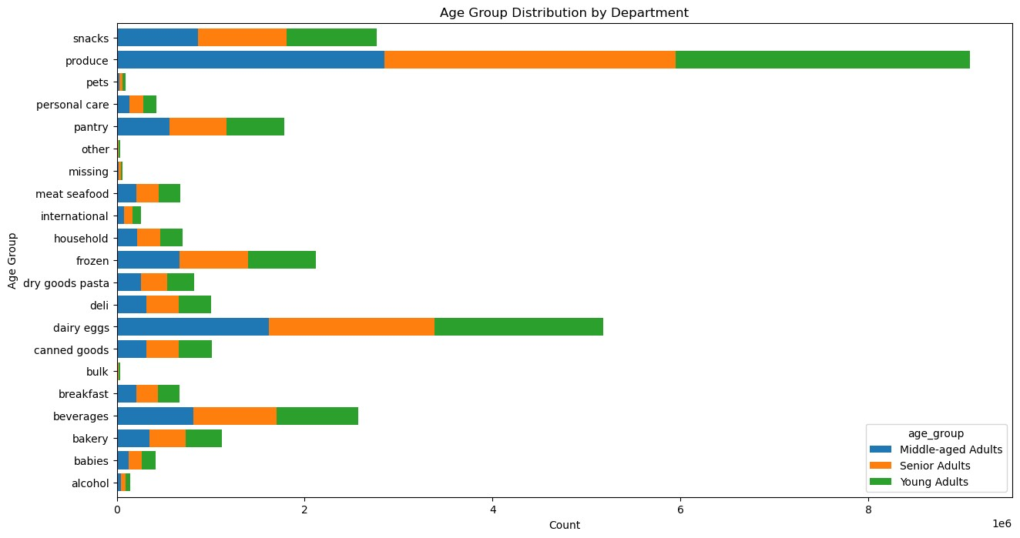
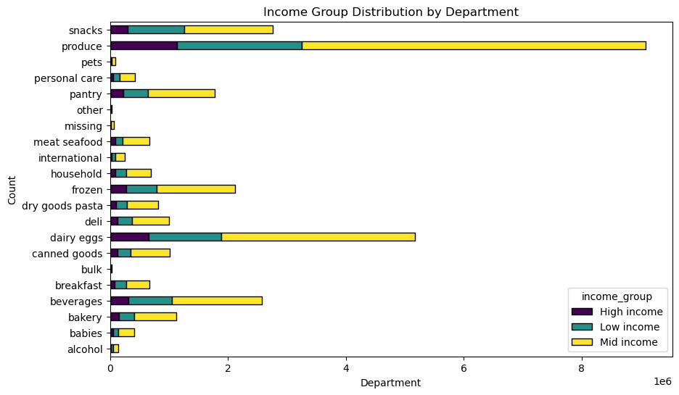
 |  |  |  | Title page

Visualisations

In this tab you should include all the visualtions from Exercises 4.9 and 4.10, alongside the questions from the project brief that they answer. Include any commentary on the relationship between different variables.

 | 1.1. What are the busiest days of the week? |  |  |  |  |  | 1.2.What are the busiest hours of the day?

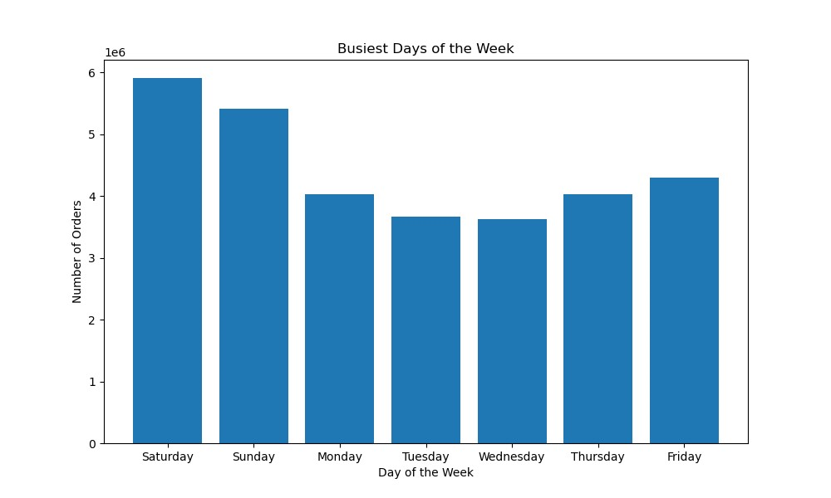


 | Customers place the most orders on the weekend days - Saturday and Sunday. The smallest number of orders are placed on Tuesday and Wednesday.
 |  |  |  |  |  |  |  | The number of orders increases noticeably after 6 a.m. Peak hours are between 10 a.m. and 4 p.m.
 |  |  |  |  |  |  |  | After that time, the number of orders goes down gradually, with the least orders placed between midnight and 6 a.m.

 | 2. What time of the day people spend the most money?



 | The average price for all the products is 7.79.
 | Products purchased from 2 A.M to 7 A.M have the highest average prices.
 | There a dip from 8 A.M to 11 A.M.

 | 3. Price range group

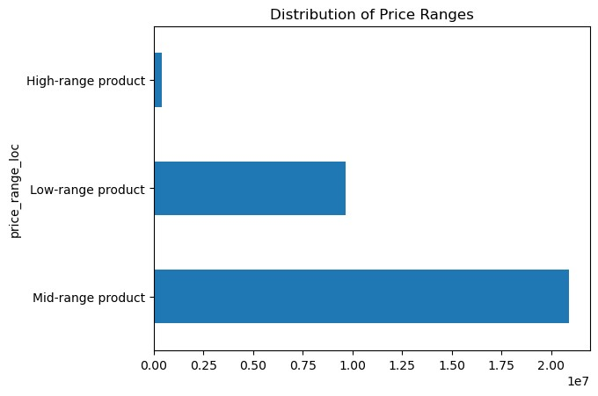

 | 25 % of the products have prices less than $5.
 | Vast majority of the products have prices between 1 and 15 dollars, and fewer have prices above 15 dollars.

 | Based on that, the prices can be divided into three categories:
 | Low-range products = (below $5),
 | Mid-range prducts (from $5 to $15),
 | High-range products (above $15).

 | 4. Are certain types of products more popular than others?

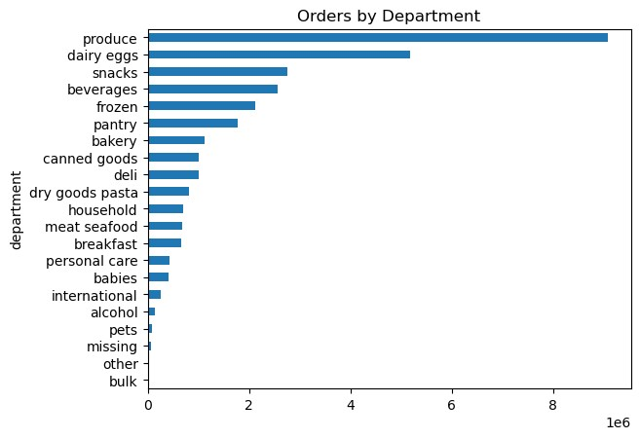

 | Top-5 departments by number of purchased products :
 | Produce
 | Dairy eggs
 | Snacks
 | Beverages
 | Frozen

 | 5.1. What is the distribution of customers in terms of the brand loyalty? |  |  |  | 5.2. Are there any differences in ordering habits between different loyalty status?
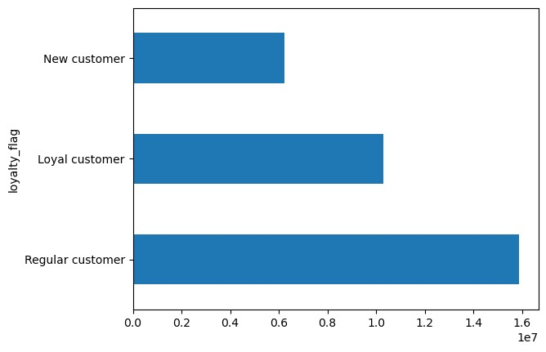

 |  |  |  |  |  | Although the mean, median, min and max show the same values. It is in the sum we can see how much each group brings to the table.

 | Based on max_orders by customers. Customers were divided into 3 groups
 | New Customer - Less than 10 orders
 | Regular Customer - between 10 to 40 orders
 | Loyal Customer - More than 40 orders

 | Regular customer contribute 49% loyalty flag.
 | Followed by Loyal customer 32% and lastly new customer of 19% loyalty flag.

 | 5.3. Are there any differences in ordering habits based on the customer's regions?
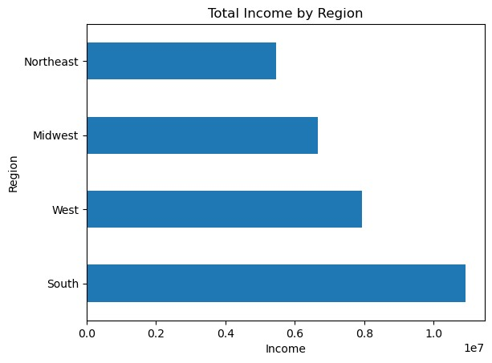

 |  |  |  | Number of spending groups across US region

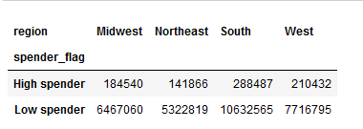

 |  |  |  | Most spender region is South
 |  |  |  | Generally, Low spenders are high across all the regions.

 | South region leads in income

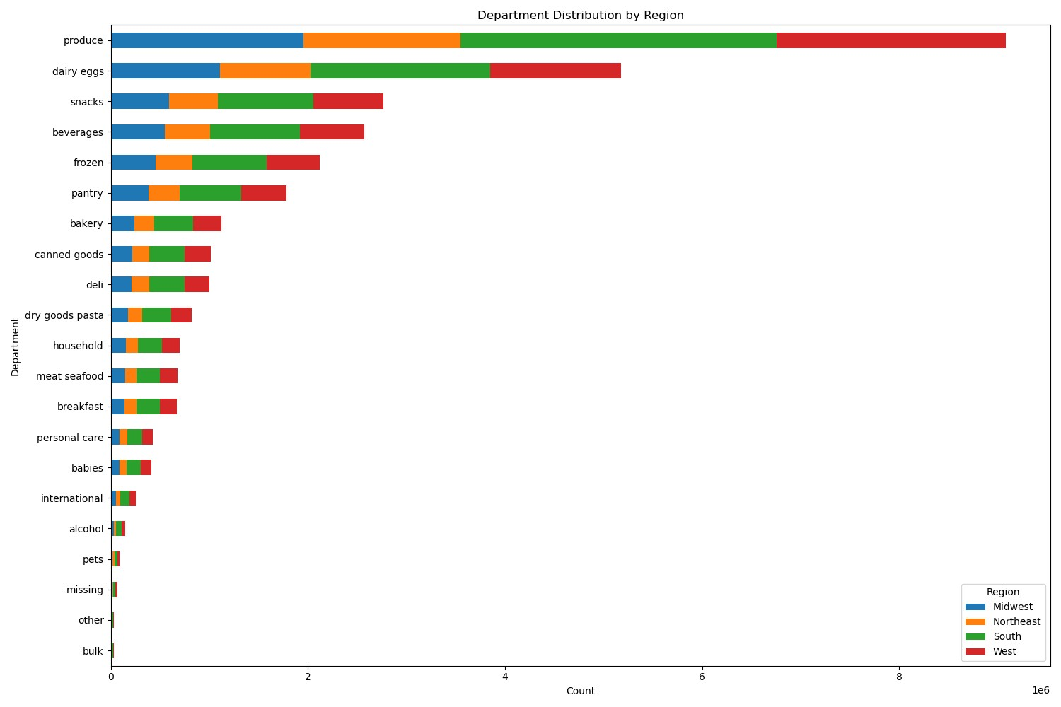

 | Most of the orders within each department were placed by customers from South and West regions. The popularity of different types of products is the same across regions.

5.4. What might be different customers classifications based on the demographic charcteristics?

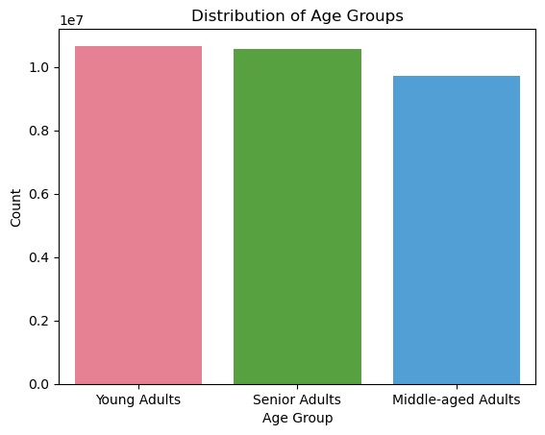
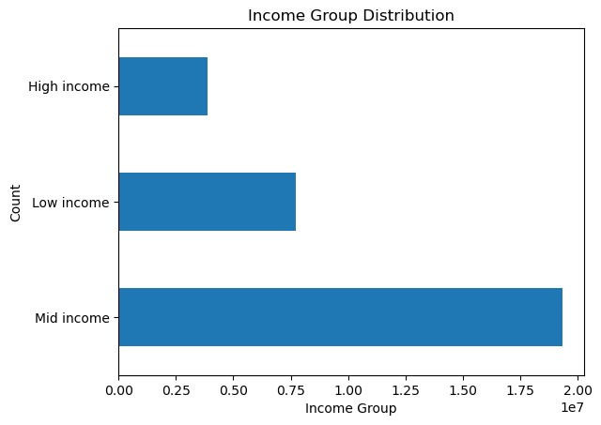

 |  | Young adults - 18 to 39 years
 |  | Middle-aged - 40 to 59 years | Mid income is the highest income group.
 |  | Senior adults 60 years and above
 | We can see that Young adults are slightly higher in comparison to Senior Adults.

7. Recommendations
 |  |  | Title page

Recommendations

In this tab you should include any recommendations you would made to Instcart in terms of their marketing strategy based on the questions posed in the brief. Every key question has been covered in the Tasks of the Exercises - here you need to add an item - a visualisation or table/crosstable that is showing the answer in the data, acompanied by a comment from you. Please, list the questions below and add the answer underneath.

Question |  | Answer
Key Question 1 | What are the busiest days of the week and hours of the day (i.e., the days and times with the most orders) to schedule ads at times when there are fewer orders. | Ads should be scheduled during workdays, especially on Wednesday and Thursday, from 6 a.m. to 9 a.m. and from 5 p.m. to midnight.
Key Question 2 | Are there particular times of the day when people spend the most money, as this might inform the type of products to advertise at these times. | Customers spend the most money per one product in the early morning, from 4 a.m. to 6 a.m. The lowest spending are within 9-11 a.m.
Key Question 3 | Instacart has a lot of products with different price tags. Marketing and sales want to use simpler price range groupings to help direct their efforts. | Products prices can be divided into three groups: - low-range products (below $5), - mid-range products (from $5 to $15), - high-range products (above $15).
Key Question 4 | Are certain types of products more popular than others? | The most popular products were from the next departments: produce, dairy and eggs, snacks, beverages, frozen, and pantry. The marketing team should also include meat and seafood in their promotions and offer exclusive discounts for these products, as better prices might attract more customers. The least popular were bulk, pets, and alcohol departments, so the marketing team might promote these items as well to boost the sales. Also, there should be a clear explanation of the goods that belong to 'other' and 'missing' departments, as they also have the lowest number of orders.
Key Question 5 | 5.1. What is the distribution of customers in terms of the brand loyalty? 5.2. Are there any differences in ordering habits between different loyalty status? | The company's customers can be classified as new, regular, and loyal customers. More than half of all customers are Regular customers. They spend slightly more per product than the other groups and also, generate the highest income as they place most number of orders. The Loyal customer contribute 31% which is significate and New customer is the smallest with 19%.
 | 5.3. Are there any differences in ordering habits based on the customers regions? | All regions have more low-spending customers than high-spending, and the same type of products are popular across all regions. South region generates the highest income.
 | 5.4. What might be different customers classifications based on the demographic charcteristics? | Customers can be classified based on their age, income and family status. The company has customers of all ages, but the leading group is YOung adults (18 to 39 years) There are more medium-income customers, while high-income category is the smallest. Vast majority of customers are married and have dependants.
 | 5.5. How do the ordering habits differ based on the customer profile? | Customers that belong to the low-income group spend on average less per product compared to people with higher income. Besides that, there are no major differences in ordering habits between different customer profiles. Customers of different age, income, and family status groups tend to buy the same type of products and place on average the same number of orders.
Key Question 6 | Which Family profile of customers contribute the most? | Married group with Dependants, Females married with no dependants and Senior singles with no dependants are the biggest contributers of 60%
Key Question 7 | Which Family profile of customers contribute the least? | Young Singles with Dependants , Single with No Dependants, Female married with Dependant and Male married with no Dependants are the least contributors with merely %

